ZoneSummary
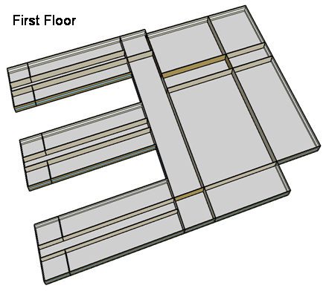
Zone Summary
Zone Name | Conditioned (Y/N) | Multiplier | Area (m2) | Volume (m3) | Floor-to-Ceiling Height (m) | Gross Wall Area (m2) | Window Glass Area (m2) | People (m2/per) | People | Lights (W/m2) | Elec Plug and Process (W/m2) | Gas Plug and Process (W/m2) | SWH (L/h) | Ventilation (L/s/Person) | Ventilation (L/s/m2) | Ventilation Total (L/s) | Exhaust (L/s) | Infiltration (ACH)
CORNER_CLASS_1_POD_1_ZN_1_FLR_1 | Yes | 1 | 99 | 396 | 4.00 | 80 | 28 | 4.00 | 24.75 | 21.53 | 10.00 |  |  | 8.00 |  | 198.00 |  | 0.82
MULT_CLASS_1_POD_1_ZN_1_FLR_1 | Yes | 1 | 477 | 1,908 | 4.00 | 212 | 74 | 4.00 | 119.25 | 21.53 | 10.00 |  |  | 8.00 |  | 954.00 |  | 0.45
CORRIDOR_POD_1_ZN_1_FLR_1 | Yes | 1 | 320 | 1,280 | 4.00 | 20 | 7 | 10.00 | 32.00 | 9.26 | 4.00 |  |  |  | 0.50 | 160.00 |  | 0.06
CORNER_CLASS_2_POD_1_ZN_1_FLR_1 | Yes | 1 | 99 | 396 | 4.00 | 80 | 28 | 4.00 | 24.75 | 21.53 | 10.00 |  |  | 8.00 |  | 198.00 |  | 0.82
MULT_CLASS_2_POD_1_ZN_1_FLR_1 | Yes | 1 | 477 | 1,908 | 4.00 | 212 | 74 | 4.00 | 119.25 | 21.53 | 10.00 |  |  | 8.00 |  | 954.00 |  | 0.45
CORNER_CLASS_1_POD_2_ZN_1_FLR_1 | Yes | 1 | 99 | 396 | 4.00 | 80 | 28 | 4.00 | 24.75 | 21.53 | 10.00 |  |  | 8.00 |  | 198.00 |  | 0.82
MULT_CLASS_1_POD_2_ZN_1_FLR_1 | Yes | 1 | 477 | 1,908 | 4.00 | 212 | 74 | 4.00 | 119.25 | 21.53 | 10.00 |  |  | 8.00 |  | 954.00 |  | 0.45
CORRIDOR_POD_2_ZN_1_FLR_1 | Yes | 1 | 320 | 1,280 | 4.00 | 20 | 7 | 10.00 | 32.00 | 9.26 | 4.00 |  |  |  | 0.50 | 160.00 |  | 0.06
CORNER_CLASS_2_POD_2_ZN_1_FLR_1 | Yes | 1 | 99 | 396 | 4.00 | 80 | 28 | 4.00 | 24.75 | 21.53 | 10.00 |  |  | 8.00 |  | 198.00 |  | 0.82
MULT_CLASS_2_POD_2_ZN_1_FLR_1 | Yes | 1 | 477 | 1,908 | 4.00 | 212 | 74 | 4.00 | 119.25 | 21.53 | 10.00 |  |  | 8.00 |  | 954.00 |  | 0.45
CORNER_CLASS_1_POD_3_ZN_1_FLR_1 | Yes | 1 | 99 | 396 | 4.00 | 80 | 28 | 4.00 | 24.75 | 21.53 | 10.00 |  |  | 8.00 |  | 198.00 |  | 0.82
MULT_CLASS_1_POD_3_ZN_1_FLR_1 | Yes | 1 | 477 | 1,908 | 4.00 | 212 | 74 | 4.00 | 119.25 | 21.53 | 10.00 |  |  | 8.00 |  | 954.00 |  | 0.45
CORRIDOR_POD_3_ZN_1_FLR_1 | Yes | 1 | 320 | 1,280 | 4.00 | 20 | 7 | 10.00 | 32.00 | 9.26 | 4.00 |  |  |  | 0.50 | 160.00 |  | 0.06
CORNER_CLASS_2_POD_3_ZN_1_FLR_1 | Yes | 1 | 99 | 396 | 4.00 | 80 | 28 | 4.00 | 24.75 | 21.53 | 10.00 |  |  | 8.00 |  | 198.00 |  | 0.82
MULT_CLASS_2_POD_3_ZN_1_FLR_1 | Yes | 1 | 477 | 1,908 | 4.00 | 212 | 74 | 4.00 | 119.25 | 21.53 | 10.00 |  |  | 8.00 |  | 954.00 |  | 0.45
MAIN_CORRIDOR_ZN_1_FLR_1 | Yes | 1 | 1140 | 4,560 | 4.00 | 200 | 70 |  | 0.00 | 10.75 | 4.00 |  |  |  | 0.50 | 570.00 |  | 0.18
LOBBY_ZN_1_FLR_1 | Yes | 1 | 210 | 840 | 4.00 | 60 | 21 |  | 0.00 | 12.01 | 4.00 |  |  |  | 0.50 | 105.00 |  | 0.29
BATHROOMS_ZN_1_FLR_1 | Yes | 1 | 210 | 840 | 4.00 | 116 | 41 | 10.00 | 21.00 | 9.61 | 4.00 |  | 197.5 | 25.00 |  | 300.00 | 300.00 | 0.56
OFFICES_ZN_1_FLR_1 | Yes | 1 | 532 | 2,128 | 4.00 | 208 | 73 | 20.00 | 26.60 | 20.10 | 10.76 |  |  | 10.00 |  | 266.00 |  | 0.40
GYM_ZN_1_FLR_1 | Yes | 1 | 1976 | 15,808 | 8.00 | 0 | 80 | 1.00 | 1976.00 | 11.39 | 5.00 |  | 717.2 | 10.00 |  | 19760.00 |  | 0.00
AUX_GYM_ZN_1_FLR_1 | Yes | 1 | 1248 | 9,984 | 8.00 | 608 | 266 | 3.00 | 416.00 | 11.81 | 5.00 |  |  | 10.00 |  | 4160.00 |  | 0.25
AUDITORIUM_ZN_1_FLR_1 | Yes | 1 | 988 | 7,904 | 8.00 | 512 | 106 | 1.00 | 988.00 | 12.08 | 5.00 |  |  | 8.00 |  | 7904.00 |  | 0.26
KITCHEN_ZN_1_FLR_1 | Yes | 1 | 216 | 864 | 4.00 | 36 | 13 | 6.00 | 36.00 | 16.77 | 222.27 | 1119.45 | 503.5 | 8.00 |  | 288.00 | 1887.79 | 0.17
CAFETERIA_ZN_1_FLR_1 | Yes | 1 | 624 | 2,496 | 4.00 | 200 | 70 | 1.39 | 448.92 | 14.38 | 19.27 |  |  | 10.00 |  | 4489.21 |  | 0.33
MECH_ZN_1_FLR_1 | Yes | 1 | 342 | 1,368 | 4.00 | 0 | 0 | 100.00 | 3.42 | 8.06 | 4.00 |  |  |  | 0.25 | 85.50 |  | 0.00
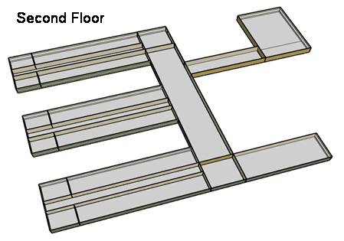
CORNER_CLASS_1_POD_1_ZN_1_FLR_2 | Yes | 1 | 99 | 396 | 4.00 | 80 | 28 | 4.00 | 24.75 | 21.53 | 10.00 |  |  | 8.00 |  | 198.00 |  | 1.84
MULT_CLASS_1_POD_1_ZN_1_FLR_2 | Yes | 1 | 477 | 1,908 | 4.00 | 212 | 74 | 4.00 | 119.25 | 21.53 | 10.00 |  |  | 8.00 |  | 954.00 |  | 1.47
CORRIDOR_POD_1_ZN_1_FLR_2 | Yes | 1 | 320 | 1,280 | 4.00 | 20 | 7 | 10.00 | 32.00 | 9.26 | 4.00 |  |  |  | 0.50 | 160.00 |  | 1.08
CORNER_CLASS_2_POD_1_ZN_1_FLR_2 | Yes | 1 | 99 | 396 | 4.00 | 80 | 28 | 4.00 | 24.75 | 21.53 | 10.00 |  |  | 8.00 |  | 198.00 |  | 1.84
MULT_CLASS_2_POD_1_ZN_1_FLR_2 | Yes | 1 | 477 | 1,908 | 4.00 | 212 | 74 | 4.00 | 119.25 | 21.53 | 10.00 |  |  | 8.00 |  | 954.00 |  | 1.47
CORNER_CLASS_1_POD_2_ZN_1_FLR_2 | Yes | 1 | 99 | 396 | 4.00 | 80 | 28 | 4.00 | 24.75 | 21.53 | 10.00 |  |  | 8.00 |  | 198.00 |  | 1.84
MULT_CLASS_1_POD_2_ZN_1_FLR_2 | Yes | 1 | 477 | 1,908 | 4.00 | 212 | 74 | 4.00 | 119.25 | 21.53 | 10.00 |  |  | 8.00 |  | 954.00 |  | 1.47
CORRIDOR_POD_2_ZN_1_FLR_2 | Yes | 1 | 320 | 1,280 | 4.00 | 20 | 7 | 10.00 | 32.00 | 9.26 | 4.00 |  |  |  | 0.50 | 160.00 |  | 1.08
CORNER_CLASS_2_POD_2_ZN_1_FLR_2 | Yes | 1 | 99 | 396 | 4.00 | 80 | 28 | 4.00 | 24.75 | 21.53 | 10.00 |  |  | 8.00 |  | 198.00 |  | 1.84
MULT_CLASS_2_POD_2_ZN_1_FLR_2 | Yes | 1 | 477 | 1,908 | 4.00 | 212 | 74 | 4.00 | 119.25 | 21.53 | 10.00 |  |  | 8.00 |  | 954.00 |  | 1.47
CORNER_CLASS_1_POD_3_ZN_1_FLR_2 | Yes | 1 | 99 | 396 | 4.00 | 80 | 28 | 4.00 | 24.75 | 21.53 | 10.00 |  |  | 8.00 |  | 198.00 |  | 1.84
MULT_CLASS_1_POD_3_ZN_1_FLR_2 | Yes | 1 | 477 | 1,908 | 4.00 | 212 | 74 | 4.00 | 119.25 | 21.53 | 20.00 |  |  | 8.00 |  | 954.00 |  | 1.47
CORRIDOR_POD_3_ZN_1_FLR_2 | Yes | 1 | 320 | 1,280 | 4.00 | 20 | 7 | 10.00 | 32.00 | 9.26 | 4.00 |  |  |  | 0.50 | 160.00 |  | 1.08
CORNER_CLASS_2_POD_3_ZN_1_FLR_2 | Yes | 1 | 99 | 396 | 4.00 | 80 | 28 | 4.00 | 24.75 | 21.53 | 10.00 |  |  | 8.00 |  | 198.00 |  | 1.84
MULT_CLASS_2_POD_3_ZN_1_FLR_2 | Yes | 1 | 477 | 1,908 | 4.00 | 212 | 74 | 4.00 | 119.25 | 21.53 | 20.00 |  |  | 8.00 |  | 954.00 |  | 1.47
MAIN_CORRIDOR_ZN_1_FLR_2 | Yes | 1 | 1140 | 4,560 | 4.00 | 200 | 70 |  | 0.00 | 10.75 | 4.00 |  |  |  | 0.50 | 570.00 |  | 1.20
LOBBY_ZN_1_FLR_2 | Yes | 1 | 210 | 840 | 4.00 | 60 | 21 |  | 0.00 | 12.01 | 4.00 |  |  |  | 0.50 | 105.00 |  | 1.31
BATHROOMS_ZN_1_FLR_2 | Yes | 1 | 210 | 840 | 4.00 | 116 | 41 | 10.00 | 21.00 | 9.61 | 4.00 |  | 197.5 | 25.00 |  | 300.00 | 300.00 | 1.58
OFFICES_ZN_1_FLR_2 | Yes | 1 | 532 | 2,128 | 4.00 | 208 | 73 | 20.00 | 26.60 | 20.10 | 10.76 |  |  | 10.00 |  | 266.00 |  | 1.42
LIBRARY_MEDIA_CENTER_ZN_1_FLR_2 | Yes | 1 | 840 | 3,360 | 4.00 | 236 | 83 | 4.35 | 193.10 | 16.34 | 10.00 |  |  | 8.00 |  | 1544.83 |  | 1.31
MECH_ZN_1_FLR_2 | Yes | 1 | 342 | 1,368 | 4.00 | 0 | 0 | 100.00 | 3.42 | 8.06 | 4.00 |  |  |  | 0.25 | 85.50 |  | 1.02
Total Conditioned Zones |  |  | 19,592 | 95,216 |  | 6,384 | 2,296 |  | 6,080

Data Source |  |  |  |  |  |  |  | 1 |  | 2 | 4, 5 | 4, 5 | 4, 5 | 3 | 3 | 3 | 4 | 4

Sources
[1] Pless, S.; Torcellini, P.; Long, N. (2007). Technical Support Document: Development of the Advanced Energy Design Guide for K-12 Schools--30% Energy Savings. 178 pp.; NREL Report No. TP-550-42114. http://www.nrel.gov/docs/fy07osti/42114.pdf
[2] ASHRAE Standard 90.1-1989, Atlanta, GA: American Society of Heating, Refrigerating and Air-Conditioning Engineers.
[3] ASHRAE Standard 62-1999 Table 6-1, Atlanta, GA: American Society of Heating, Refrigerating and Air-Conditioning Engineers.
[4] DOE Commercial Reference Buildings Report
[5] Smith, V. A. and D.R. Fisher. (2001). Estimating Food Service Loads and Profiles. ASHRAE Transactions 2001. V. 107. Pt 2. Atlanta, GA: American Society of Heating, Refrigerating and Air-Conditioning Engineers.

Picture
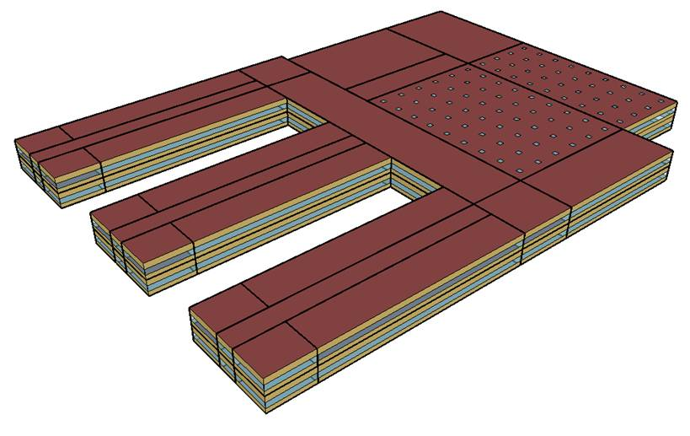
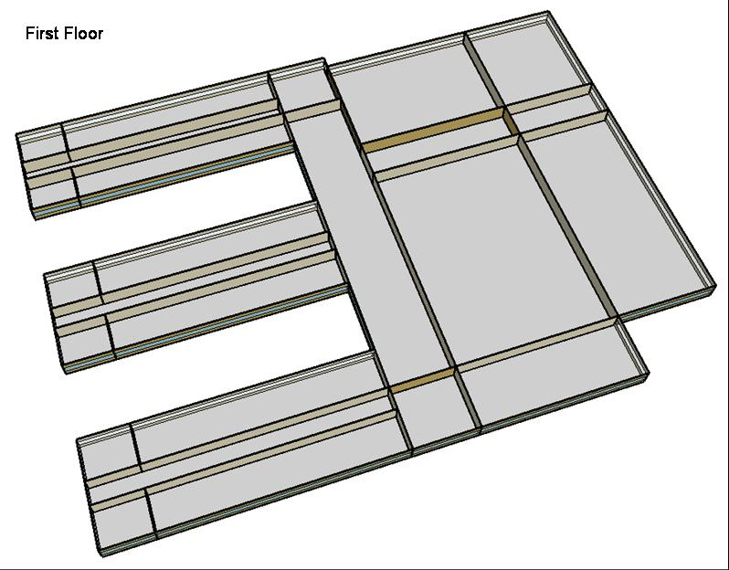
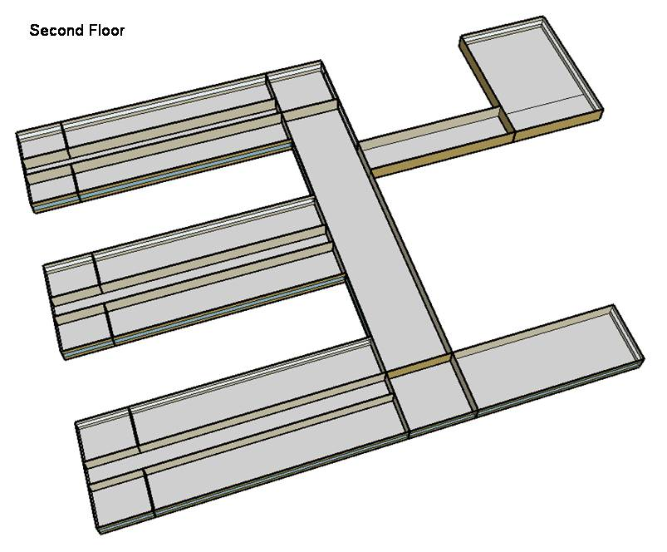
DOE Commercial Building Benchmark - Secondary School

Electricity
 | #REF! | #REF! | #REF! | #REF! | #REF! | #REF! | #REF!
 | 1 | 1 | 1 | 1 | 1 | 1 | 1

Gas
 | #REF! | #REF! | #REF!
 | 1 | 1 | 1

EUI
 | #REF! | #REF! | #REF! | #REF! | #REF! | #REF! | #REF! | #REF! | #REF!
 | 1 | 1 | 1 | 1 | 1 | 1 | 1 | 1 | 1

Water
 | #REF! | #REF!
 | 1 | 1

Carbon
 | #REF!
 | 1

LghtSch
Lighting Schedules
 | School year weekday | School year weekend | Summer weekday | Summer weekend
 | 0.1773 | 0.1773 | 0.1773 | 0.1773
 | 0.1773 | 0.1773 | 0.1773 | 0.1773
 | 0.1773 | 0.1773 | 0.1773 | 0.1773
 | 0.1773 | 0.1773 | 0.1773 | 0.1773
 | 0.1773 | 0.1773 | 0.1773 | 0.1773
 | 0.1773 | 0.1773 | 0.1773 | 0.1773
 | 0.1773 | 0.1773 | 0.1773 | 0.1773
 | 0.9 | 0.1773 | 0.1773 | 0.1773
 | 0.9 | 0.1773 | 0.5 | 0.1773
 | 0.9 | 0.1773 | 0.5 | 0.1773
 | 0.9 | 0.1773 | 0.5 | 0.1773
 | 0.9 | 0.1773 | 0.5 | 0.1773
 | 0.9 | 0.1773 | 0.5 | 0.1773
 | 0.9 | 0.1773 | 0.5 | 0.1773
 | 0.9 | 0.1773 | 0.5 | 0.1773
 | 0.9 | 0.1773 | 0.5 | 0.1773
 | 0.9 | 0.1773 | 0.5 | 0.1773
 | 0.9 | 0.1773 | 0.5 | 0.1773
 | 0.9 | 0.1773 | 0.5 | 0.1773
 | 0.9 | 0.1773 | 0.5 | 0.1773
 | 0.9 | 0.1773 | 0.1773 | 0.1773
 | 0.1773 | 0.1773 | 0.1773 | 0.1773
 | 0.1773 | 0.1773 | 0.1773 | 0.1773
 | 0.1773 | 0.1773 | 0.1773 | 0.1773

EqpSch
Equipment Schedules
 | School year weekday | School year weekend | Summer weekday | Summer weekend
 | 0.35 | 0.35 | 0.25 | 0.25
 | 0.35 | 0.35 | 0.25 | 0.25
 | 0.35 | 0.35 | 0.25 | 0.25
 | 0.35 | 0.35 | 0.25 | 0.25
 | 0.35 | 0.35 | 0.25 | 0.25
 | 0.35 | 0.35 | 0.25 | 0.25
 | 0.35 | 0.35 | 0.25 | 0.25
 | 0.35 | 0.35 | 0.25 | 0.25
 | 0.95 | 0.35 | 0.5 | 0.25
 | 0.95 | 0.35 | 0.5 | 0.25
 | 0.95 | 0.35 | 0.5 | 0.25
 | 0.95 | 0.35 | 0.5 | 0.25
 | 0.95 | 0.35 | 0.5 | 0.25
 | 0.95 | 0.35 | 0.5 | 0.25
 | 0.95 | 0.35 | 0.5 | 0.25
 | 0.95 | 0.35 | 0.5 | 0.25
 | 0.95 | 0.35 | 0.5 | 0.25
 | 0.35 | 0.35 | 0.25 | 0.25
 | 0.35 | 0.35 | 0.25 | 0.25
 | 0.35 | 0.35 | 0.25 | 0.25
 | 0.35 | 0.35 | 0.25 | 0.25
 | 0.35 | 0.35 | 0.25 | 0.25
 | 0.35 | 0.35 | 0.25 | 0.25
 | 0.35 | 0.35 | 0.25 | 0.25

ClassOccSch
Classroom Occupancy Schedules
 | School year weekday | Summer weekday
 | 0 | 0
 | 0 | 0
 | 0 | 0
 | 0 | 0
 | 0 | 0
 | 0 | 0
 | 0 | 0
 | 0 | 0.15
 | 0.25 | 0.15
 | 0.25 | 0.05
 | 0.25 | 0.05
 | 0.25 | 0.95
 | 0.25 | 0.95
 | 0.25 | 0.15
 | 0.25 | 0.15
 | 0.95 | 0
 | 0.95 | 0
 | 0.1 | 0
 | 0.1 | 0
 | 0.1 | 0
 | 0 | 0
 | 0 | 0
 | 0 | 0
 | 0 | 0

OffcOccSch
Office Occupancy Schedules
 | School year weekday | Summer weekday
 | 0 | 0
 | 0 | 0
 | 0 | 0
 | 0 | 0
 | 0 | 0
 | 0 | 0
 | 0 | 0
 | 0 | 0
 | 0.95 | 0.5
 | 0.95 | 0.5
 | 0.95 | 0.5
 | 0.95 | 0.5
 | 0.95 | 0.5
 | 0.95 | 0.5
 | 0.95 | 0.5
 | 0.95 | 0.5
 | 0.95 | 0.5
 | 0.15 | 0
 | 0.15 | 0
 | 0.15 | 0
 | 0.15 | 0
 | 0 | 0
 | 0 | 0
 | 0 | 0

OtherOccSch
Occupancy Schedules
 | Gym school year weekday | Gym summer weekday | Cafeteria school year weekday | Cafeteria summer weekday | Auditorium school year weekday | Auditorium summer weekday
 | 0 | 0 | 0 | 0 | 0 | 0
 | 0 | 0 | 0 | 0 | 0 | 0
 | 0 | 0 | 0 | 0 | 0 | 0
 | 0 | 0 | 0 | 0 | 0 | 0
 | 0 | 0 | 0 | 0 | 0 | 0
 | 0 | 0 | 0 | 0 | 0 | 0
 | 0 | 0 | 0 | 0 | 0 | 0
 | 0 | 0 | 0.15 | 0 | 0 | 0
 | 0.35 | 0.35 | 0.15 | 0 | 0.25 | 0.15
 | 0.35 | 0.35 | 0.05 | 0.25 | 0.25 | 0.15
 | 0.35 | 0.35 | 0.05 | 0.25 | 0.25 | 0.15
 | 0.35 | 0.35 | 0.95 | 0.25 | 0.25 | 0.15
 | 0.35 | 0.35 | 0.95 | 0.25 | 0.25 | 0.15
 | 0.35 | 0.35 | 0.15 | 0.25 | 0.25 | 0.15
 | 0.35 | 0.35 | 0.15 | 0.25 | 0.25 | 0.15
 | 0.35 | 0.35 | 0 | 0 | 0.95 | 0.15
 | 0.95 | 0.35 | 0 | 0 | 0.95 | 0.15
 | 0.95 | 0.35 | 0 | 0 | 0.1 | 0.35
 | 0.95 | 0.35 | 0 | 0 | 0.1 | 0.35
 | 0.95 | 0.35 | 0 | 0 | 0.1 | 0
 | 0.95 | 0.35 | 0 | 0 | 0 | 0
 | 0 | 0 | 0 | 0 | 0 | 0
 | 0 | 0 | 0 | 0 | 0 | 0
 | 0 | 0 | 0 | 0 | 0 | 0

HeatSch
Heating Set Point Schedules
 | Weekday | Weekend | Restrooms & Mech.
 | 16 | 16 | 16
 | 16 | 16 | 16
 | 16 | 16 | 16
 | 16 | 16 | 16
 | 16 | 16 | 16
 | 16 | 16 | 16
 | 21 | 16 | 16
 | 21 | 16 | 16
 | 21 | 16 | 16
 | 21 | 16 | 16
 | 21 | 16 | 16
 | 21 | 16 | 16
 | 21 | 16 | 16
 | 21 | 16 | 16
 | 21 | 16 | 16
 | 21 | 16 | 16
 | 21 | 16 | 16
 | 21 | 16 | 16
 | 21 | 16 | 16
 | 21 | 16 | 16
 | 21 | 16 | 16
 | 16 | 16 | 16
 | 16 | 16 | 16
 | 16 | 16 | 16

CoolSch
Cooling Set Point Schedules
 | Weekday | Weekend | Restrooms & Mech.
 | 27 | 27 | 27
 | 27 | 27 | 27
 | 27 | 27 | 27
 | 27 | 27 | 27
 | 27 | 27 | 27
 | 27 | 27 | 27
 | 24 | 27 | 27
 | 24 | 27 | 27
 | 24 | 27 | 27
 | 24 | 27 | 27
 | 24 | 27 | 27
 | 24 | 27 | 27
 | 24 | 27 | 27
 | 24 | 27 | 27
 | 24 | 27 | 27
 | 24 | 27 | 27
 | 24 | 27 | 27
 | 24 | 27 | 27
 | 24 | 27 | 27
 | 24 | 27 | 27
 | 24 | 27 | 27
 | 27 | 27 | 27
 | 27 | 27 | 27
 | 27 | 27 | 27

